2 Init Display
C-5
C-1
3. Initial display (screen layout)
. Initial display (screen layout) | 3. View Evaluate Report
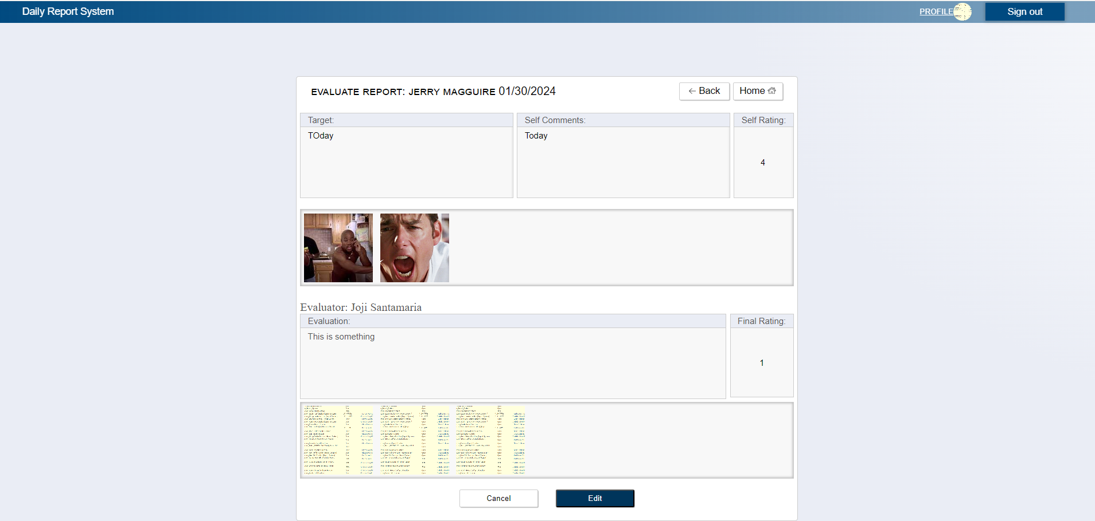

B-10
B-4
C-3
C-6

B-1
B-2
B-3

B-5

B-6
B-8
B-9

B-7

C-4
C-2

 | No | Area | Item Name | Notes | Source table fields
 | 1 | B-1 | Target | text | T_DAILY_REPORT.target
 | 2 | B-2 | Comment | text | T_SELF_EVALUATION.comment
 | 3 | B-3 | Rating | text | T_SELF_EVALUATION.rating
 | 4 | B-4 | Date | date | T_DAILY_REPORT.reportDate
 | 5 | B-5 | Images | images | T_EVAL_ATTACHED_FILE.filePath
 | 6 | B-6 | Evaluator Name | text | M_USER_INFORMATION.firstName,M_USER_INFORMATION.lastName
 | 7 | B-7 | Images | text | T_EVAL_ATTACHED_FILE.filePath
 | 8 | B-8 | Comment | text | T_FINAL_EVALUATION.comment
 | 9 | B-9 | Rating | text | T_FINAL_EVALUATION.rating
 | 10 | B-10 | Complete Submitter Name | text | M_USER_INFORMATION.firstName,M_USER_INFORMATION.lastName
 | 11 | C-1 | Logout | Logout from Web Application | ***
 | 12 | C-2 | Edit | Move to Edit Report Page | ***
 | 13 | C-3 | Back | Move Back to View All Report | ***
 | 14 | C-4 | Cancel | Move Back to View All Report | ***
 | 15 | C-5 | Profile | Move to User Profile Page | ***
 | 16 | C-6 | Home | Move to Leader Top Page | ***

